Questions
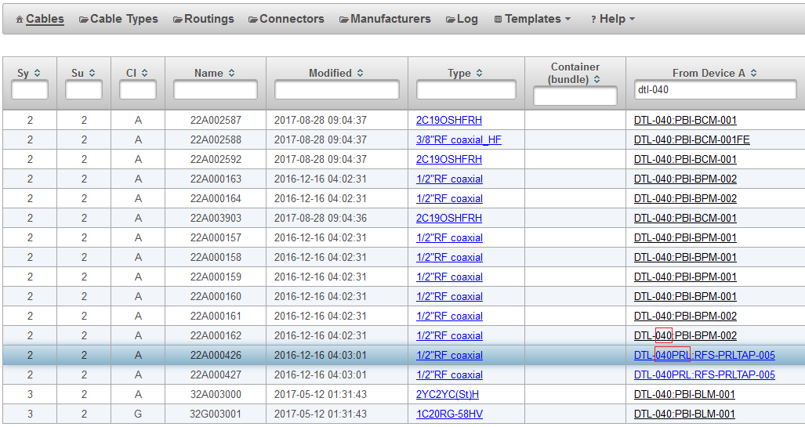
QUESTIONS |  |  |  |  |  |  |  |  |  |  |  |  | Phase Reference Line Electrical Heater | PRLEH | Electrical Heater for the Phase Reference Line | Pending | 0 | 0
please fill your answers in yellow fields |  |  |  |  |  |  |  |  |  |  |  |  | Phase Reference Line Coaxial Cable | PRLCC | Coaxial Cable for the Phase Reference Line | Pending | 0 | 0
1 | We think, that there are mistakes in SUBSECTION names |  |  |  |  |  |  |  |  |  |  |  | Phase Reference Line Coupler | PRLCpl | Coupler for the Phase Reference Line | Pending | 0 | 0
 | in Cable Database https://cable.esss.lu.se/ |  |  |  |  |  |  |  |  |  |  |  | Phase Reference Line Dummy Load | PRLDL | Dummy Load for the Phase Reference Line | Pending | 0 | 0
 | and in Naming Service https://naming.esss.lu.se/devices.xhtml |  |  |  |  |  |  |  |  |  |  |  | Phase Reference Line Gas Inlet | PRLGI | Gas Inlet for the Phase Reference Line | Pending | 0 | 0
 | like 040PRL in the picture on the right (from cable database), there should be only 040. |  |  |  |  |  |  |  |  |  |  |  | Phase Reference Line Junction Box | PRLJB | Junction Box for the Phase Reference Line | Pending | 0 | 0
 | because that is SUBSECTION 040 of SECTION DTL |  |  |  |  |  |  |  |  |  |  |  | Phase Reference Line Power Divider | PRLPD | Power Divider for the Phase Reference Line | Pending | 0 | 0
 | that mistake is present in every entry, when you search "PRL" in Cable Database, in column "From Device A" |  |  |  |  |  |  |  |  |  |  |  | Phase Reference Line Rigid Line | PRLRL | Rigid Line for the Phase Reference Line | Pending | 0 | 0
 | see also that names present in the sheet "Model_solution1" in that excel file |  |  |  |  |  |  |  |  |  |  |  | Phase Reference Line Tap | PRLTap |  | Approved | 0 | 0
 |  |  |  |  |  |  |  |  |  |  |  |  | Phase Reference Line Temperature Element | PRLTE | Temperature Sensor for the Phase Reference Line | Pending | 0 | 0
 | below a few entries of full names of following tap points which show that there is somenthing wrong with that |  |  |  |  |  |  |  |  |  |  |  |  |  |  |  | 0 | 0
 |  | MEBT-010PRL:RFS-PRLTAP-001 |  |  |  | should be: | MEBT-010:RFS-PRLTAP-001 |  |  |  |  |  |  |  |  |  | 0 | 0
 |  | MEBT-010PRL:RFS-PRLTAP-002 |  |  |  |  | MEBT-010:RFS-PRLTAP-002 |  |  |  |  |  |  |  |  |  | 0 | 0
 |  | DTL-010PRL:RFS-PRLTAP-003 |  |  |  |  | DTL-010:RFS-PRLTAP-003 |  |  |  |  |  |  |  |  |  | 0 | 0
 |  | DTL-020PRL:RFS-PRLTAP-004 |  |  |  |  | DTL-020:RFS-PRLTAP-004 |  |  |  |  |  |  |  |  |  | 0 | 0
 |  | DTL-040PRL:RFS-PRLTAP-005 |  |  |  |  | DTL-040:RFS-PRLTAP-005 |  |  |  |  |  |  |  |  |  | 0 | 0
 |  | SPK-010PRL:RFS-PRLTAP-006 |  |  |  |  | SPK-010:RFS-PRLTAP-006 |  |  |  |  |  |  |  |  |  | 0 | 0
 |  | SPK-020PRL:RFS-PRLTAP-007 |  |  |  |  | SPK-020:RFS-PRLTAP-007
 |  | SPK-040PRL:RFS-PRLTAP-008 |  |  |  |  | SPK-040:RFS-PRLTAP-008
 |  | SPK-060PRL:RFS-PRLTAP-009 |  |  |  |  | SPK-060:RFS-PRLTAP-009
 |  | SPK-080PRL:RFS-PRLTAP-010 |  |  |  |  | SPK-080:RFS-PRLTAP-010
 |  | SPK-100PRL:RFS-PRLTAP-011 |  |  |  |  | SPK-100:RFS-PRLTAP-011
 |  | SPK-120PRL:RFS-PRLTAP-012 |  |  |  |  | SPK-120:RFS-PRLTAP-012

 | changes should be made in all databases
 | are we right?
 | ANSWER:

2 | Is there possibility to change name of DISCIPLINE: RFS->PRL? Or RFS->RFSPRL?
 | Reason: | Then the names (DEVICE field) of components in our system would be shorter
 |  | If we do not change that there can be name collision with things like temperature sensors
 |  |  | now that DEVICE is called TE in our system, but there can be more TE in the same subsection in RFS system with the same index
 |  |  | so that DEVICE should be now called PRLTE instead

 | ANSWER:

3 | We present naming convention in two cases: DISCIPLINE can be changed to PRL or RFSPRL and if can not be changed
 | please fill names, which you choose and accept in yellow fields
 | You can take a look on sheet "Model_solution1"

 |  | yes, there can be change to DISCIPLINE PRL or RFSPRL |  |  |  |  |  | no, DISCIPLINE has to be RFS
 |  | names of system without prefix "PRL" in name eg. PRLTap->Tap |  |  |  |  |  | we think, that ALL DEVICE names should start with "PRL" prefix

 |  | Device |  | 1st option | 2nd option | ANSWER |  |  | 1st option | 2nd option | ANSWER
 |  | Tap point |  | Tap |  |  |  | Tap point | PRLTap |  |  | <-Name PRLTap is already in databeses
 |  | Coupler |  | Cpl |  |  |  | Coupler | PRLCpl
 |  | Rigid Line |  | RL |  |  |  | Rigid Line | PRLRL
 |  | Temperature Sensor |  | TE | TS |  |  | Temperature sensor | PRLTE | PRLTS
 |  | Electrical heater |  | EH |  |  |  | Electrical heater | PRLEH
 |  | Junction Box |  | Jbox |  |  |  | Junction Box | PRLJBox
 |  | Coaxial Cable |  | CC |  |  |  | Coaxial Cable | PRLCC
 |  | Power Divider |  | PD |  |  |  | Power Divider | PRLPD
 |  | Dummy Load |  | DL |  |  |  | Dummy Load | PRLDL
 |  | Gas Inlet |  | GI |  |  |  | Gas Inlet | PRLGI
 |  | N-type Adapter |  |  |  |  |  |  | PRLAd

4 | Index of devices located on other devices
 | There are temperature sensors (PRLTE - see "Model_solution1") and electrical heaters (PRLEH)
 | which are put on rigid lines (PRLRL), couplers (PRLCpl) and Tap points (PRLTap)
 | and they index is like PRLTE-YXXX
 |  | where Y can be: |  | L - which means that temperature sensor is put on Rigid Line
 |  |  |  | C - which means that temperature sensor is put on Coupler
 |  |  |  | T - which means that temperature sensor is put on Tap point
 |  | and XXX is the index of Rigid Line, Coupler or Tap point corresponding to sensor PRLTE/heater PRLEH
 | is that ok.?

 | ANSWER:

5 | Output names
 | We prefere to call input and outputs like a,b,c, … (with small letters) - see sheet "Model_solution1" - is it ok.?
 | or should be in1, in2, …, out1, out2, … ?
 | or something else?

 | ANSWER:

6 | Where is place to put output name in Cable Database? Is that "user label field"? Or where?

 | ANSWER:

7 | What is convention of full names of outputs?
 | for example how to write full name of output "a" from tap point called MEBT-010:RFS-PRLTap-001
 | something like MEBT-010:RFS-PRLTap-001-a? or what?

 | ANSWER:

 | Are names of Sec-Sub of all Tap-points known?

6 | Where (to which Sec-Sub) belong rigid lines (green ones PRLRL in the sheet "Model_solution1")
 | Let's say, that we know names (Sec-Sub) of Tap-points, so how should we assign rigid lines?
 | see sheet "Model_solution1"
 | thank you!

 | Czy znamy że od tąd do tąd jest sekcja Spk-010?

 | Kto przydziela, że RL należy do tej a nie innej sekcji?
 | MK | chyba my, bo dostaliśmy arkusz do wypełnienia (poza supersekcją)

 | Info
 | Rozmieszczenie STUBÓW poprawione zgodnie z dokumentem ESS-0025905.1.pdf
 | środek STUBA porównano ze środkiem

 | Naokoło power dividera będzie albo 4.135 + 4.135-dlugosc dzielnika - gas inlety - costam
 | ewentualnie dwie niestardowe rury
 | tak, będą zamiawiane osobno

 | LOOK OUT! There is a SLOPE! So z-coordinates and sum of lengths are different!!!!!!! TRIGONOMETRIC STUFF!

 | Adapter będzie EIA-N oraz EIA-7/16DIN, różne nazwy Dev, czy te same?

 | przewód gazowy na początku, potem 2 przewody z okolic MO oraz 1 przewód na końcu. Połączenia między gas inletami przy PRLCC będą od gas inletu do gas inletu

 | rury są podłączone niesymetrycznie, np. 1 z prawej do Jbox, a potem 3 z lewej do kolejnego Jboxa, dlatego że 2 środkowe rury mają osobną swoją pętlę!

 | czujniki, grzałki mają swoje kabelki
 | do inwentaryzacji: przedłużki od grzał i czujników
 |  |  | kabelek Cpl-Tap

 | Podzielić arkusze na Table - AT, Table - KG, albo KG dać poniżej, żeby łatwo było się odwoływać

 | Amplifier do KG!!!

 | W bazie danych kabli brak informacji którym STUBem idzie!!!!!! Czy to nie spowoduje nam kłopotów? Jakie są odległości skrajny Jbox - STUB?

